Sheet1
TIME_PERIOD | 2020
Global death rate-2020
Row Labels | Sum of OBS_VALUE
Japan | 1047006
Germany | 840085
United Kingdom | 635303
Italy | 618803
France | 551607
Canada | 305258
Korea | 285088
Australia | 151455
Greece | 103493
Grand Total | 4538098

Sheet2
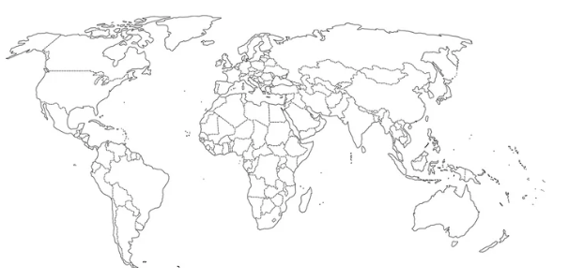
death rate-global

Sheet3
TIME_PERIOD | 2020
Reference area | Australia

Death rate-gender ratio-Au-2020
Row Labels | Sum of OBS_VALUE
Female | 70372
Male | 81083
Grand Total | 151455

Sheet4
Top 10 cause of death in Australia-2020
TIME_PERIOD | 2020
Reference area | Australia

Row Labels | Sum of OBS_VALUE
Ischaemic heart diseases | 16807
External causes of mortality | 11528
Mental and behavioural disorders | 10508
Dementia | 9977
Cerebrovascular diseases | 9536
Malignant neoplasms of trachea, bronchus, lung | 8475
Accidents | 7872
Endocrine, nutritional and metabolic diseases | 7360
Acute myocardial infarction | 6537
Chronic obstructive pulmonary diseases | 6395
Grand Total | 94995

Sheet5
Top 10 cause of death in Australia-2020
TIME_PERIOD | 2020
Reference area | Australia

Row Labels | Sum of OBS_VALUE
Ischaemic heart diseases | 16807
External causes of mortality | 11528
Mental and behavioural disorders | 10508
Dementia | 9977
Cerebrovascular diseases | 9536
Malignant neoplasms of trachea, bronchus, lung | 8475
Accidents | 7872
Endocrine, nutritional and metabolic diseases | 7360
Acute myocardial infarction | 6537
Chronic obstructive pulmonary diseases | 6395
Grand Total | 94995

Sheet1 (2)
Global death rate
Reference area | Australia

Row Labels | Sum of OBS_VALUE
2013 | 138016
2014 | 144478
2015 | 149065
2016 | 149125
2017 | 151377
2018 | 149368
2019 | 157852
2020 | 151455
2021 | 158605
Grand Total | 1349341

